Chart 80
Share of lending with an allowance been declining and is below levels seen in 2019

Chart title: Year-to-date share of new mortgage lending with an allowance: 2020 v 2019.
Source: Central Bank of Ireland calculations
Notes: Data are aggregate in-scope lending based on a sample of 7 reporting institutions. Data represent the volume of new mortgage lending on a cumulative year-to-date basis and the share of which received an allowance from the Central Banks mortgage rules. Data for 2020 are provisional.

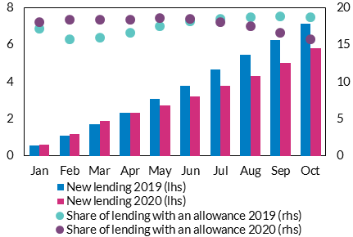
Cumulative year-to-date lending | Jan | Feb | Mar | Apr | May | Jun | Jul | Aug | Sep | Oct | €bn | per cent
New lending 2019 (lhs) | 548.09 | 1108.12 | 1724.38 | 2341.36 | 3075.60 | 3801.34 | 4665.54 | 5456.20 | 6281.56 | 7140.98
New lending 2020 (lhs) | 585.53 | 1189.87 | 1884.08 | 2315.24 | 2721.32 | 3229.15 | 3806.82 | 4304.57 | 5006.83 | 5834.63

Share of lending with an allowance 2019 (rhs) | 17.20 | 15.74 | 15.97 | 16.67 | 17.53 | 18.23 | 18.53 | 18.75 | 18.82 | 18.72
Share of lending with an allowance 2020 (rhs) | 18.07 | 18.42 | 18.36 | 18.40 | 18.61 | 18.48 | 18.07 | 17.56 | 16.60 | 15.74

Chart 81
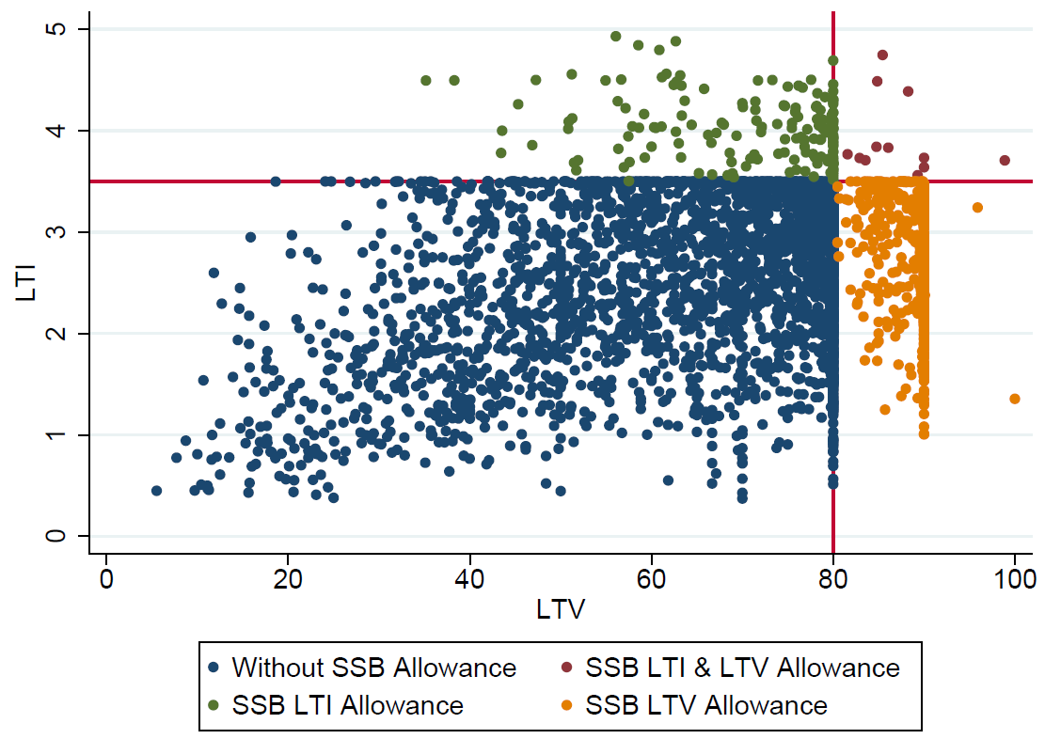
Allowances generally have an LTV of less than 90 per cent and 4.5 LTI

Chart Title: Allocation of allowances for SSB, H1 2020
Source: Central Bank of Ireland MT Data
Notes: Sample used is all new property purchase/self-build loans with and without an allowance. LTV<=100 LTI<=5

Data cannot be provided as the Central Bank of Ireland does not have permission to share this information.

Chart 82
No increase in the 90th percentile LTI for FTB lending over time

Chart Title: FTB LTI over time
Source: Central Bank of Ireland MT and LL Data
Notes: All loan types, In-Scope loans only from 2015 - H1 2020, 4 bank view from 2006 - 2014

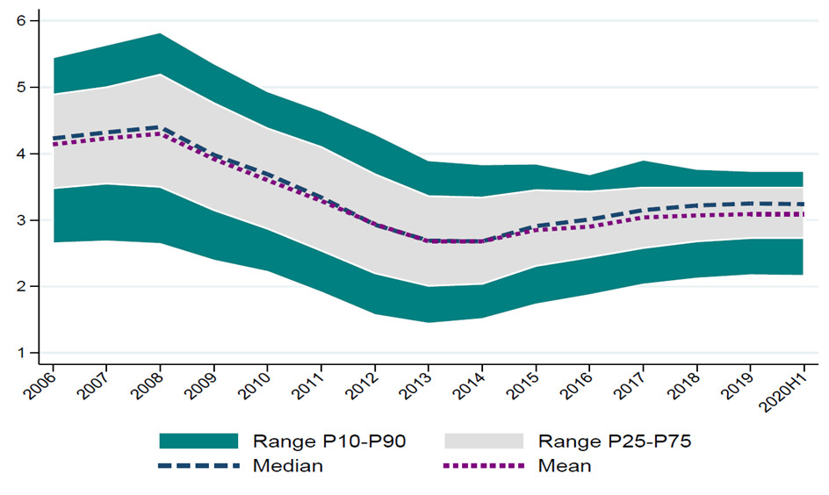
Year | LTI FTB P10 | LTI FTB P25 | LTI FTB Median | LTI FTB Mean | LTI FTB P75 | LTI FTB P90
2006 | 2.7 | 3.5 | 4.2 | 4.1 | 4.9 | 5.4
2007 | 2.7 | 3.5 | 4.3 | 4.2 | 5 | 5.6
2008 | 2.6 | 3.5 | 4.4 | 4.3 | 5.2 | 5.8
2009 | 2.4 | 3.2 | 4 | 3.9 | 4.8 | 5.4
2010 | 2.2 | 2.9 | 3.7 | 3.6 | 4.4 | 4.9
2011 | 1.9 | 2.5 | 3.3 | 3.3 | 4.1 | 4.7
2012 | 1.6 | 2.2 | 2.9 | 2.9 | 3.7 | 4.3
2013 | 1.4 | 2 | 2.7 | 2.7 | 3.4 | 3.9
2014 | 1.5 | 2 | 2.7 | 2.7 | 3.3 | 3.8
2015 In-Scope | 1.7 | 2.3 | 2.9 | 2.8 | 3.5 | 3.8
2016 In-Scope | 1.9 | 2.4 | 3 | 2.9 | 3.4 | 3.7
2017 In-Scope | 2 | 2.6 | 3.2 | 3 | 3.5 | 3.9
2018 In-Scope | 2.1 | 2.7 | 3.2 | 3.1 | 3.5 | 3.8
2019 In-Scope | 2.2 | 2.7 | 3.3 | 3.1 | 3.5 | 3.7
H1 2020 In-Scope | 2.2 | 2.7 | 3.2 | 3.1 | 3.5 | 3.7

Chart 83
The mortgage measures themselves do not appear to be a material driver of credit supply conditions at a market level

Chart title: FTB LTI lending - change in the monthly share of allowance lending relative to the overall share of allowance lending as of the previous month.
Source: Central Bank of Ireland calculations
Note: Chart shows bank-month combinations for the period March-October 2020 of the change in the share of allowances drawn down in month t against distance of the rolling YTD share of allowance lending in month t-1 from 20 per cent. Shares displayed represent the percentage of (i) total in-scope lending and of (ii) lending with an allowance over the period March-October. All data relates to FTB LTI category. Data are provisional.

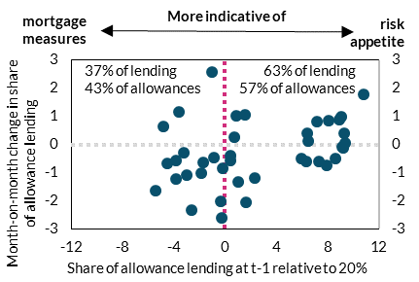
Data relates to the FTB LTI category | Share of allowance lending at t-1 relative to 20% | Month-on-month change in share of allowance lending
 | 7.30 | -0.61 | percentage points | percentage points
 | 7.91 | -0.74
 | 8.65 | -0.49
 | 9.14 | -0.10
 | 9.24 | -0.13
 | 9.37 | 0.06
 | 9.31 | 0.40
 | 8.91 | 0.88
 | -4.49 | -0.69
 | -3.80 | -0.56
 | -3.24 | -0.29
 | -2.95 | -1.09
 | -1.86 | -1.03
 | -0.84 | -0.48
 | -0.35 | -2.01
 | 1.66 | -2.06
 | -1.66 | -0.62
 | -1.04 | 2.57
 | -3.61 | 1.17
 | -4.79 | 0.66
 | -5.44 | -1.63
 | -3.82 | -1.22
 | -2.59 | -2.35
 | -0.25 | -2.61
 | 1.53 | 1.07
 | 0.46 | -0.41
 | 0.87 | 1.02
 | -0.15 | -0.85
 | 0.70 | 0.25
 | 0.45 | -0.56
 | 1.01 | -1.35
 | 2.35 | -1.18
 | 10.83 | 1.78
 | 9.04 | 0.99
 | 8.06 | 0.86
 | 7.20 | 0.81
 | 6.39 | 0.40
 | 5.99 | -0.49
 | 6.48 | 0.12
 | 6.36 | -0.59

Shares of total lending and lending with an allowance:
 | Total lending to FTB | Lending to FTB with LTI allowance
Allowance lending below 20% in t-1 | 63 | 57
Allowance lending above 20% in t-1 | 37 | 43

Chart 84
New lending has been declining since early-2020

Chart Title: New lending
Source: Central Bank of Ireland
Notes: Last observation is September 2020

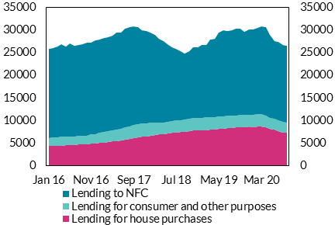
Date | Lending for house purchases | Lending for consumer and other purposes | Lending to NFC | € million | € million
2016-01-31 | 4372 | 1795 | 19684
2016-02-29 | 4382 | 1846 | 19736
2016-03-31 | 4393 | 1885 | 20132
2016-04-30 | 4429 | 1926 | 20427
2016-05-31 | 4484 | 1933 | 19975
2016-06-30 | 4541 | 1945 | 20494
2016-07-31 | 4546 | 1886 | 20065
2016-08-31 | 4633 | 1896 | 20225
2016-09-30 | 4691 | 1900 | 20300
2016-10-31 | 4760 | 1920 | 20482
2016-11-30 | 4917 | 1951 | 20374
2016-12-31 | 4950 | 2043 | 20725
2017-01-31 | 5087 | 2157 | 20678
2017-02-28 | 5145 | 2316 | 20719
2017-03-31 | 5232 | 2421 | 20818
2017-04-30 | 5320 | 2466 | 21027
2017-05-31 | 5427 | 2544 | 21540
2017-06-30 | 5573 | 2596 | 21287
2017-07-31 | 5755 | 2741 | 21749
2017-08-31 | 5912 | 2824 | 21961
2017-09-30 | 6080 | 2846 | 21960
2017-10-31 | 6214 | 2881 | 21621
2017-11-30 | 6369 | 2912 | 20734
2017-12-31 | 6515 | 2836 | 20493
2018-01-31 | 6637 | 2820 | 20002
2018-02-28 | 6807 | 2653 | 19445
2018-03-31 | 6920 | 2560 | 18600
2018-04-30 | 7013 | 2586 | 17877
2018-05-31 | 7156 | 2596 | 17034
2018-06-30 | 7235 | 2625 | 16347
2018-07-31 | 7338 | 2616 | 15902
2018-08-31 | 7431 | 2610 | 15353
2018-09-30 | 7489 | 2641 | 14662
2018-10-31 | 7632 | 2701 | 14903
2018-11-30 | 7743 | 2733 | 15707
2018-12-31 | 7809 | 2754 | 15623
2019-01-31 | 7854 | 2773 | 15973
2019-02-28 | 7865 | 2779 | 16007
2019-03-31 | 7951 | 2782 | 17191
2019-04-30 | 8035 | 2744 | 17320
2019-05-31 | 8145 | 2714 | 18485
2019-06-30 | 8218 | 2651 | 19035
2019-07-31 | 8335 | 2659 | 18860
2019-08-31 | 8381 | 2652 | 18892
2019-09-30 | 8471 | 2651 | 19197
2019-10-31 | 8513 | 2647 | 19202
2019-11-30 | 8515 | 2651 | 18518
2019-12-31 | 8599 | 2664 | 18814
2020-01-31 | 8578 | 2698 | 18819
2020-02-29 | 8601 | 2727 | 19073
2020-03-31 | 8665 | 2724 | 19367
2020-04-30 | 8474 | 2582 | 19614
2020-05-31 | 8121 | 2451 | 18289
2020-06-30 | 7897 | 2434 | 17296
2020-07-31 | 7602 | 2406 | 17279
2020-08-31 | 7317 | 2373 | 16987
2020-09-01 | 7209 | 2343 | 16911

Chart 85
While of limited value at this time credit gaps are not suggestive of excess credit

Chart Title: credit gaps
Source: Central Bank of Ireland, CSO, ECB and Central Bank of Ireland calculation.
Notes: Last observation is 2020Q2.

date | Alternative gap | Standard gap | National gap
1999Q1 | -11.6 | 9.4 | 11.0
1999Q2 | -13.0 | 12.1 | 13.5
1999Q3 | -0.5 | 13.0 | 14.4
1999Q4 | -1.9 | 15.5 | 16.1
2000Q1 | -1.2 | 17.9 | 16.4 | per cent | per cent
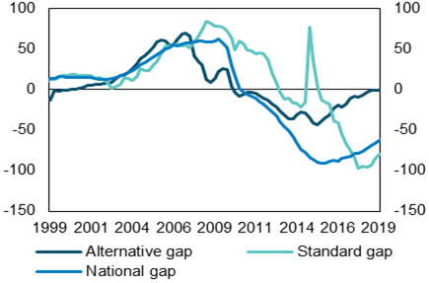
2000Q2 | -0.2 | 17.1 | 14.7
2000Q3 | 0.2 | 18.5 | 15.5
2000Q4 | 1.0 | 18.2 | 15.2
2001Q1 | 1.7 | 17.1 | 14.7
2001Q2 | 3.0 | 17.4 | 14.8
2001Q3 | 5.0 | 17.9 | 15.4
2001Q4 | 5.9 | 17.2 | 15.1
2002Q1 | 6.0 | 14.0 | 14.1
2002Q2 | 6.4 | 14.6 | 13.2
2002Q3 | 7.2 | 12.6 | 13.1
2002Q4 | 7.7 | 8.4 | 12.7
2003Q1 | 8.7 | 1.5 | 12.8
2003Q2 | 13.7 | 4.1 | 14.1
2003Q3 | 18.0 | 7.0 | 16.6
2003Q4 | 18.6 | 14.0 | 17.0
2004Q1 | 21.7 | 13.9 | 20.6
2004Q2 | 26.4 | 11.9 | 23.4
2004Q3 | 31.7 | 16.0 | 26.8
2004Q4 | 37.7 | 26.0 | 30.7
2005Q1 | 41.9 | 23.5 | 32.4
2005Q2 | 46.5 | 24.1 | 36.1
2005Q3 | 53.1 | 31.4 | 40.1
2005Q4 | 58.5 | 34.5 | 43.6
2006Q1 | 61.3 | 44.8 | 46.8
2006Q2 | 60.0 | 53.7 | 50.3
2006Q3 | 55.3 | 54.3 | 51.0
2006Q4 | 55.2 | 56.0 | 54.8
2007Q1 | 62.5 | 56.2 | 54.4
2007Q2 | 69.1 | 54.5 | 56.2
2007Q3 | 69.8 | 55.3 | 57.3
2007Q4 | 66.6 | 51.7 | 57.7
2008Q1 | 42.4 | 59.6 | 59.0
2008Q2 | 34.4 | 66.4 | 60.2
2008Q3 | 31.1 | 73.2 | 60.5
2008Q4 | 12.7 | 84.4 | 59.3
2009Q1 | 8.9 | 82.3 | 59.5
2009Q2 | 14.2 | 79.2 | 59.8
2009Q3 | 22.9 | 79.0 | 62.8
2009Q4 | 25.9 | 77.8 | 58.1
2010Q1 | 24.6 | 72.9 | 51.6
2010Q2 | 3.8 | 64.0 | 30.7
2010Q3 | -3.6 | 49.5 | 17.3
2010Q4 | -8.4 | 60.1 | 2.9
2011Q1 | -5.5 | 56.5 | -2.0
2011Q2 | -3.2 | 48.5 | -5.3
2011Q3 | -3.2 | 47.3 | -8.3
2011Q4 | -4.4 | 43.9 | -10.6
2012Q1 | -8.4 | 44.9 | -15.5
2012Q2 | -10.5 | 44.7 | -17.6
2012Q3 | -12.8 | 37.8 | -22.2
2012Q4 | -17.6 | 19.7 | -27.3
2013Q1 | -22.0 | 8.3 | -32.3
2013Q2 | -25.8 | -3.7 | -39.5
2013Q3 | -31.1 | -11.7 | -44.8
2013Q4 | -36.2 | -10.6 | -50.7
2014Q1 | -36.4 | -17.0 | -58.0
2014Q2 | -31.7 | -17.2 | -65.9
2014Q3 | -27.4 | -21.3 | -73.7
2014Q4 | -28.4 | -15.6 | -77.6
2015Q1 | -34.5 | 77.4 | -83.5
2015Q2 | -41.3 | 37.2 | -86.3
2015Q3 | -43.0 | 4.0 | -90.0
2015Q4 | -38.6 | -12.3 | -90.5
2016Q1 | -35.3 | -15.1 | -90.1
2016Q2 | -31.0 | -17.4 | -88.1
2016Q3 | -22.4 | -37.4 | -85.9
2016Q4 | -19.5 | -39.9 | -87.6
2017Q1 | -21.4 | -44.5 | -85.0
2017Q2 | -17.7 | -56.8 | -84.2
2017Q3 | -10.7 | -65.8 | -83.6
2017Q4 | -7.6 | -75.4 | -79.9
2018Q1 | -9.6 | -90.4 | -79.2
2018Q2 | -6.5 | -88.8 | -76.8
2018Q3 | -2.9 | -91.6 | -72.6
2018Q4 | -0.1 | -88.1 | -69.1
2019Q1 | -0.4 | -70.6 | -66.9
2019Q2 | -1.0 | -70.7 | -63.8
2019Q3 | -1.2 | -70.0 | -62.1
2019Q4 | -0.3 | -82.5 | -60.6
2020Q1 | -1.5 | -80.8 | -57.8
2020Q2 | -2.3 | -80.0 | -52.6

