Chart 38
Risk-based capital ratios have remained stable in recent quarters and remain high in a historical context

Chart Title: Common Equity Tier 1 capital ratios for domestic retail banks.
Source: Central Bank of Ireland.
Notes: “Avg. (TL)” and “Avg. (FL)” reflect the asset-weighted system average of the CET1 ratio on a transitional basis and fully-loaded basis respectively. “IQR (TL)” denotes the interquartile range for the CET1 ratios on a transitional basis. Sample includes the 5 retail banks. Last observation at 2020Q2.

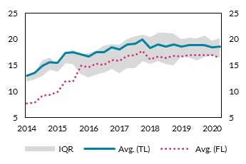
 |  | Avg. (TL) | Avg. (FL) | 75 pct. | 25 pct. | per cent | per cent
 | 2014-03-31 | 13.04 | 7.66 | 13.04 | 11.86
 | 2014-06-30 | 13.57 | 7.78 | 13.40 | 12.25
 | 2014-09-30 | 14.87 | 9.13 | 15.86 | 12.98
 | 2014-12-31 | 15.55 | 9.36 | 16.44 | 14.15
 | 2015-03-31 | 15.45 | 9.84 | 15.17 | 13.79
 | 2015-06-30 | 17.29 | 11.85 | 17.37 | 15.37
 | 2015-09-30 | 17.53 | 11.85 | 17.94 | 15.26
 | 2015-12-31 | 17.03 | 14.86 | 17.08 | 13.30
 | 2016-03-31 | 16.66 | 14.64 | 17.28 | 12.63
 | 2016-06-30 | 17.54 | 15.25 | 17.88 | 13.24
 | 2016-09-30 | 17.52 | 15.06 | 18.74 | 13.61
 | 2016-12-31 | 18.40 | 15.94 | 19.01 | 14.25
 | 2017-03-31 | 18.02 | 15.85 | 18.85 | 13.49
 | 2017-06-30 | 18.92 | 16.74 | 19.95 | 14.38
 | 2017-09-30 | 19.17 | 16.95 | 20.52 | 14.47
 | 2017-12-31 | 19.94 | 17.71 | 20.81 | 15.82
 | 2018-03-31 | 18.30 | 16.06 | 20.35 | 15.18
 | 2018-06-30 | 18.94 | 16.67 | 21.22 | 15.77
 | 2018-09-30 | 18.58 | 16.38 | 21.23 | 15.25
 | 2018-12-31 | 18.98 | 16.77 | 21.14 | 14.97
 | 2019-03-31 | 18.51 | 16.65 | 20.04 | 16.61
 | 2019-06-30 | 18.82 | 16.99 | 20.31 | 16.43
 | 2019-09-30 | 18.78 | 16.97 | 20.11 | 15.87
 | 2019-12-31 | 18.82 | 16.98 | 20.73 | 16.62
 | 2020-03-31 | 18.45 | 16.94 | 19.68 | 16.85
 | 2020-06-30 | 18.53 | 16.35 | 20.16 | 16.49

Chart 39
Leverage ratios remain resilient and well above minimum regulatory requirements

Chart Title: Leverage ratios
Source: Central Bank of Ireland.
Notes: “5 bank average” reflects the asset-weighted system average. “IQR” denotes the interquartile range, while IQR reflects the interquartile range. The dotted line reflects the 3% minimum requirement as set out in the Capital Requirements Directive CRD IV. Sample includes the 5 retail banks. Last observation at 2020Q2.

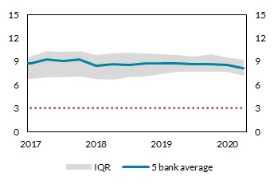
 |  |  |  |  | per cent | per cent
 |  | 5 bank average | 25 pct. | 75 pct.
 | 2017-03-31 | 8.77 | 6.78 | 9.59
 | 2017-06-30 | 9.31 | 6.93 | 10.38
 | 2017-09-30 | 9.09 | 6.97 | 10.27
 | 2017-12-31 | 9.23 | 7.09 | 10.30
 | 2018-03-31 | 8.46 | 6.71 | 9.83
 | 2018-06-30 | 8.66 | 6.61 | 10.06
 | 2018-09-30 | 8.58 | 6.95 | 10.12
 | 2018-12-31 | 8.76 | 7.08 | 10.07
 | 2019-03-31 | 8.74 | 7.34 | 9.91
 | 2019-06-30 | 8.79 | 7.68 | 9.78
 | 2019-09-30 | 8.67 | 7.68 | 9.59
 | 2019-12-31 | 8.62 | 7.71 | 9.92
 | 2020-03-31 | 8.50 | 7.65 | 9.48
 | 2020-06-30 | 8.11 | 7.12 | 9.18

Chart 41
A third of commercial lending has been classified as higher-risk

Chart Title: Share of exposures classified as IFRS 9 stage 2.
Source: Central Bank of Ireland.
Notes: The chart shows the share of loans classified as IFRS 9 stage 2. The “Total” bars, indicate the relative share of stage 2 loans as a percentage of all loans subject to impairment. “Households” and “NFCs” reflect the relative share of loans classified as stage 2 as a percentage of all loans subject to impairment advanced to households and NFCs, respectively.

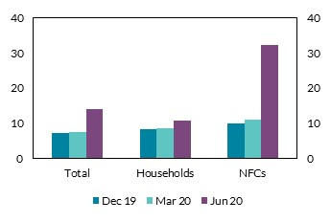
 |  |  |  |  | per cent | per cent
 |  | Total | Households | NFCs
 | 2019-12-31 | 7.03 | 8.21 | 9.82
 | 2020-03-31 | 7.36 | 8.40 | 10.86
 | 2020-06-30 | 14.03 | 10.73 | 32.21

Chart 42
The share of lending on a payment break has continued to fall in recent months

Chart Title: Aggregate payment break ratio in 2020.
Source: Central Bank of Ireland.
Notes: The payment break ratio is defined as the total value of payment breaks divided by total loans and advances across all asset classes and all geographic borrower locations.

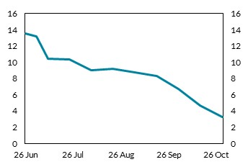
 |  |  | per cent | per cent
 |  | Payment break ratio
 | 2020-06-26 | 13.50
 | 2020-07-03 | 13.20
 | 2020-07-10 | 10.40
 | 2020-07-24 | 10.30
 | 2020-08-07 | 9.00
 | 2020-08-21 | 9.20
 | 2020-09-04 | 8.70
 | 2020-09-18 | 8.30
 | 2020-10-02 | 6.70
 | 2020-10-16 | 4.70
 | 2020-10-30 | 3.29

Chart 43
A disruptive Brexit would exacerbate the effects of the pandemic on borrowers

Chart Title: Bank commercial lending exposure by risk classification.
Source: Central Bank of Ireland.
Note: Chart shows the share of commercial loans (as a percentage of total commercial loans) by risk classification for both Brexit and COVID-19 shocks. Box G describes the classification methodology. For commercial borrowers based in the UK, the COVID-19-exposure follows the same classification as for Irish borrowers, while all UK-based borrowers are classified as “Heightened” for the Brexit risk.

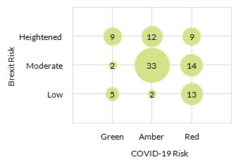
 |  |  |  | per cent | per cent
 | COVID-19 Risk | Brexit Risk | % Share
 | Green | Low | 5
 | Green | Moderate | 2
 | Green | Heightened | 9
 | Amber | Low | 2
 | Amber | Moderate | 33
 | Amber | Heightened | 12
 | Red | Low | 13
 | Red | Moderate | 14
 | Red | Heightened | 9

Chart 45
The liquidity coverage ratio has remained resilient in 2020 and remains well above minimum regulatory requirements

Chart Title: Liquidity coverage ratios.
Source: Central Bank of Ireland.
Notes: “5 bank average” denotes the asset-weighted system average for the five domestic retail banks, while “IQR” reflects the interquartile range. The dotted line reflects the 100% minimum requirement as set out in the Capital Requirements Directive CRD IV. Last observation at 2020H1.

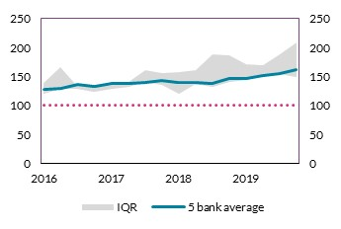
 |  | 5 bank average | 25 pct. | 75 pct. | per cent | per cent
 | 2016-09-30 | 127.78 | 120.31 | 137.99
 | 2016-12-31 | 129.01 | 127.92 | 166.23
 | 2017-03-31 | 135.70 | 127.82 | 132.93
 | 2017-06-30 | 133.67 | 124.26 | 134.15
 | 2017-09-30 | 138.01 | 128.69 | 134.76
 | 2017-12-31 | 138.60 | 132.14 | 139.85
 | 2018-03-31 | 139.97 | 140.18 | 160.84
 | 2018-06-30 | 143.34 | 134.65 | 155.63
 | 2018-09-30 | 139.37 | 120.78 | 158.28
 | 2018-12-31 | 139.76 | 136.33 | 160.20
 | 2019-03-31 | 138.77 | 132.71 | 188.96
 | 2019-06-30 | 146.80 | 140.87 | 185.89
 | 2019-09-30 | 147.04 | 143.50 | 171.70
 | 2019-12-31 | 151.86 | 150.26 | 169.52
 | 2020-03-31 | 154.31 | 154.78 | 188.23
 | 2020-06-30 | 162.60 | 149.00 | 207.87

Chart 46
Profitability has been significantly weakened in light of COVID-19

Chart Title: ROE for domestic Irish retail banks.
Source: Central Bank of Ireland.
Notes: Each observation reflects the half-year figure for RoE on a non-annualised basis. Last observation at 2020H1. Sample includes the 5 retail domestic banks.

 |  |  | per cent | per cent
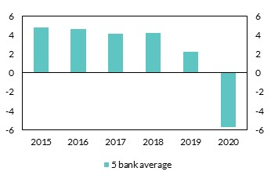
 |  | 5 bank average
 | 2015 | 4.74
 | 2016 | 4.62
 | 2017 | 4.13
 | 2018 | 4.22
 | 2019 | 2.19
 | 2020 | -5.72

Chart 47
The 2020 decline in profitability is predominantly due to higher impairment

Chart Title: Composition of the change in ROE between 2019H1 and 2020H1.
Source: Central Bank of Ireland.
Note: The chart shows the contributory factors behind the change in RoE between 2019H1 and 2020H1. Sample includes the 5 retail domestic banks.

 |  |  | per cent | per cent
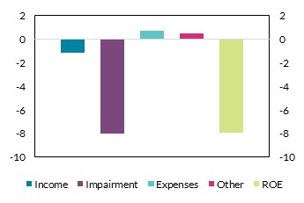
 | Income | -1.14
 | Impairment | -8.01
 | Expenses | 0.73
 | Other | 0.47
 | ROE | -7.94

Chart 50
Trading conditions improved over the summer

Chart Title: Share of firms with turnover down more than 50 per cent from normal levels by sector
Source: CSO Business Impact of COVID-19 Survey.
Notes: The data relate to responding enterprises only and are unweighted.
Non-response may be related to whether businesses are adversely impacted by COVID-19 and could bias the estimates.
Weighting procedures would not correct non-response in this case.

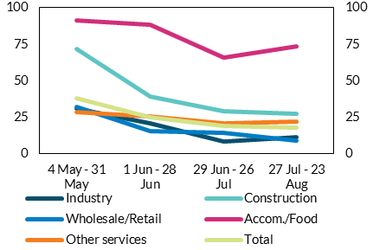
 | Industry | Construction | Wholesale/Retail | Accom./Food | Other services | Total | per cent | per cent
4 May - 31 May | 30.7 | 71.4 | 32.2 | 91.4 | 28.4 | 38
1 Jun - 28 Jun | 20.5 | 39.2 | 15.2 | 88.6 | 25.4 | 24.8
29 Jun - 26 Jul | 8.3 | 28.8 | 14.3 | 65.7 | 20.6 | 18.6
27 Jul - 23 Aug | 11.3 | 27.3 | 8.8 | 73.5 | 22 | 17.9

Chart 54
Loan payment breaks provided important liquidity relief to firms

Chart Title: Share of outstanding loan balances with a payment break by borrower size
Source: Central Bank of Ireland
Notes: Based on the outstanding loan balances of Irish-resident borrowers of three Irish retail banks.

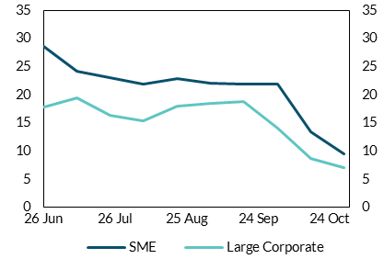
Date | SME | Large Corporate | per cent | per cent
2020-06-26 | 28.5 | 17.8
2020-07-10 | 24.2 | 19.5
2020-07-24 | 23.1 | 16.4
2020-08-07 | 21.9 | 15.4
2020-08-21 | 22.9 | 18.0
2020-09-04 | 22.0 | 18.4
2020-09-18 | 21.9 | 18.9
2020-10-02 | 21.8 | 14.1
2020-10-16 | 13.3 | 8.7
2020-10-30 | 9.4 | 7.0

Chart 55
Corporate insolvencies have yet to rise above normal levels

Chart Title: Annualised insolvent liquidation rate of Irish-registered companies by period
Source: Companies Registration Office; CRIF Vision-Net
Notes: Insolvent liquidations are defined as the sum of creditors’ voluntary liquidations and court-ordered liquidations.

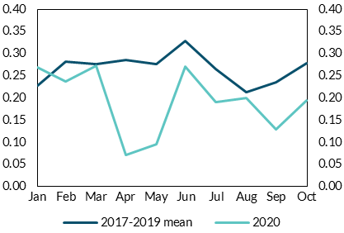
Month | 2017-2019 mean | 2020 | per cent | per cent
Jan | 0.23 | 0.27
Feb | 0.28 | 0.24
Mar | 0.28 | 0.27
Apr | 0.29 | 0.07
May | 0.28 | 0.10
Jun | 0.33 | 0.27
Jul | 0.26 | 0.19
Aug | 0.21 | 0.20
Sep | 0.24 | 0.13
Oct | 0.28 | 0.19

Chart 56
The household sector entered the crisis with lower debt-to-income levels than in the previous crisis

Chart Title: Household sector debt to disposable income and the debt servicing ratio
Source: CSO, Central Bank of Ireland.
Notes: Data prior to 2003 contains series breaks, so is not included. Interest rate calculated as a weighted average of interest rates on all household debt types. Last observation 2020Q1.

 |  | Debt to disposable income (lhs) | Interest payment to disposable income (rhs)
 | 2004-03-30 | 124.74 | 21.92
 | 2004-06-30 | 131.42 | 22.87 | per cent | per cent
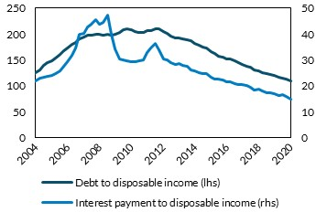
 | 2004-09-30 | 139.52 | 23.43
 | 2004-12-30 | 144.48 | 23.76
 | 2005-03-30 | 148.16 | 24.10
 | 2005-06-30 | 153.68 | 24.61
 | 2005-09-30 | 160.96 | 25.83
 | 2005-12-30 | 166.88 | 27.38
 | 2006-03-30 | 173.58 | 29.21
 | 2006-06-30 | 179.99 | 31.76
 | 2006-09-30 | 182.84 | 34.63
 | 2006-12-30 | 190.23 | 39.82
 | 2007-03-30 | 194.08 | 40.16
 | 2007-06-30 | 197.03 | 42.59
 | 2007-09-30 | 198.42 | 43.66
 | 2007-12-30 | 199.13 | 45.33
 | 2008-03-30 | 199.28 | 43.61
 | 2008-06-30 | 198.27 | 44.42
 | 2008-09-30 | 199.46 | 47.38
 | 2008-12-30 | 197.49 | 40.01
 | 2009-03-30 | 199.41 | 34.15
 | 2009-06-30 | 202.91 | 30.46
 | 2009-09-30 | 207.24 | 29.90
 | 2009-12-30 | 209.87 | 29.58
 | 2010-03-30 | 208.55 | 29.37
 | 2010-06-30 | 204.73 | 29.28
 | 2010-09-30 | 203.59 | 29.53
 | 2010-12-30 | 203.02 | 29.96
 | 2011-03-30 | 205.78 | 32.65
 | 2011-06-30 | 206.86 | 34.43
 | 2011-09-30 | 209.19 | 36.44
 | 2011-12-30 | 210.03 | 34.01
 | 2012-03-30 | 204.12 | 30.43
 | 2012-06-30 | 200.77 | 30.13
 | 2012-09-30 | 196.55 | 28.89
 | 2012-12-30 | 192.53 | 28.20
 | 2013-03-30 | 191.93 | 28.54
 | 2013-06-30 | 190.33 | 27.86
 | 2013-09-30 | 188.53 | 27.40
 | 2013-12-30 | 187.05 | 26.27
 | 2014-03-30 | 182.15 | 25.78
 | 2014-06-30 | 177.99 | 24.95
 | 2014-09-30 | 173.95 | 24.76
 | 2014-12-30 | 172.38 | 24.60
 | 2015-03-30 | 166.02 | 23.40
 | 2015-06-30 | 162.35 | 22.54
 | 2015-09-30 | 157.49 | 22.52
 | 2015-12-30 | 154.85 | 22.31
 | 2016-03-30 | 151.93 | 21.55
 | 2016-06-30 | 150.90 | 21.50
 | 2016-09-30 | 148.28 | 20.98
 | 2016-12-30 | 144.15 | 20.35
 | 2017-03-30 | 140.78 | 20.44
 | 2017-06-30 | 137.94 | 20.16
 | 2017-09-30 | 135.46 | 19.48
 | 2017-12-30 | 130.81 | 18.25
 | 2018-03-30 | 128.47 | 18.68
 | 2018-06-30 | 125.32 | 17.94
 | 2018-09-30 | 122.97 | 17.34
 | 2018-12-30 | 122.36 | 17.40
 | 2019-03-30 | 119.59 | 16.90
 | 2019-06-30 | 116.01 | 16.31
 | 2019-09-30 | 114.85 | 16.50
 | 2019-12-30 | 112.64 | 16.04
 | 2020-03-30 | 109.43 | 14.70

Chart 57
Nearly three-fifths of households have had no decrease in income, with exceptional fiscal supports cushioning the effect of the pandemic for many

Chart Title: Distribution of change in household net income from March to June 2020, compared with alternative under no further government supports
Source: O’Malley (2020), using CSO HFCS 2018, CSO Labour Force Survey, and CSO Detailed COVID-19 Income Support Tables.
Note: The two data series are results from a simulation exercise in which the impact of the pandemic on household incomes is modelled based on available data and known details about income replacement policies. “Jobseeker’s” policy is a simulation in which PUP-TWSS repayments are replaced with Jobseeker’s Benefit.

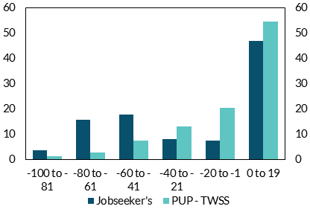
 | Jobseeker's | PUP - TWSS | per cent | per cent
-100 to -81 | 3.69 | 1.27
-80 to -61 | 15.65 | 2.86
-60 to -41 | 17.77 | 7.64
-40 to -21 | 8.23 | 13.13
-20 to -1 | 7.61 | 20.60
0 to 19 | 47.05 | 54.51

Chart 70
Most of leverage employed by real estate funds take the form of loans from bank and other financial institutions

Chart Title: Structure of debt owed by Irish-resident real estate funds
Source: Central Bank of Ireland Deep Dive Survey of IREFs.
Notes: Irish real estate funds are those investment funds resident in Ireland which hold Irish real estate. Data as of 2019Q4.

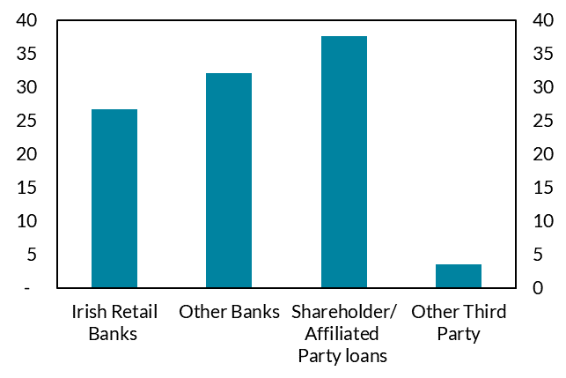
 | Lender Sector |  |  |  | per cent | per cent
 | Irish Retail Banks | Other Banks | Shareholder/ Affiliated Party loans | Other Third Party
% Total Debt | 27 | 32 | 38 | 4

Chart 71
Leverage of real estate funds displays significant heterogeneity

Chart Title: Distribution of Property Assets by IREFs Loan-to-Value Ratio for bank loans
Source: Central Bank of Ireland Deep Dive Survey of IREFs and Investment Fund Prospectuses.
Notes: Loan-to-Value (LTV) is calculated as Bank Loans/Property Assets. Data as of 2019Q4

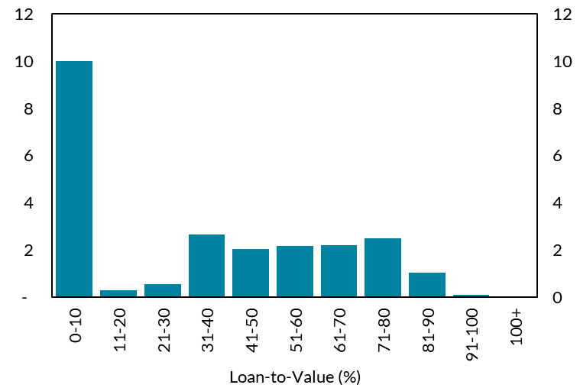
 |  | € Billions | € Billions
LTV % Bucket | Property Assets (€ Billions)
0-10 | 10
11-20 | 0
21-30 | 1
31-40 | 3
41-50 | 2
51-60 | 2
61-70 | 2
71-80 | 3
81-90 | 1
91-100 | 0
100+ | 0

Chart 72
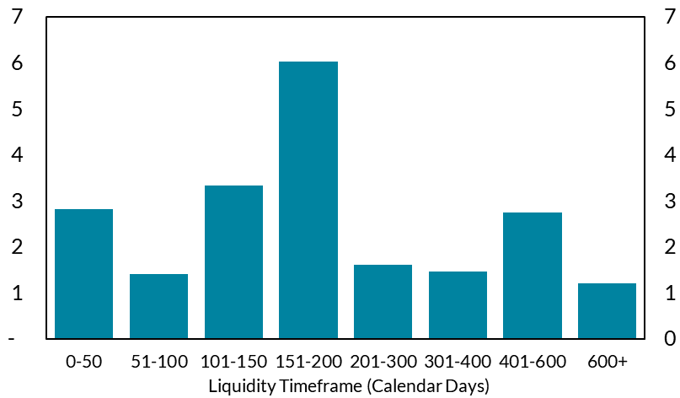
Irish real estate funds have diversified liquidity profile

Chart Title: Distribution of Property Assets Across IREFs by Liquidity Timeframe
Source: Central Bank of Ireland Deep Dive Survey of IREFs and Investment Fund Prospectuses.
Notes: Information on liquidity timeframes not available for funds with €3bn in property assets. Liquidity timeframe = standard notice period + settlement period. Standard notice period is the number of days prior to the dealing day during which redemptions may be requested. Data as of 2019Q4.

 | Liquidity Timeframes (Calendar Days)
 | 0-50 | 51-100 | 101-150 | 151-200 | 201-300 | 301-400 | 401-600 | 600+
Property Assets (€ Billions) | 3 | 1 | 3 | 6 | 2 | 2 | 3 | 1

 |  |  |  |  | € Billions |  |  | € Billions

Chart 73
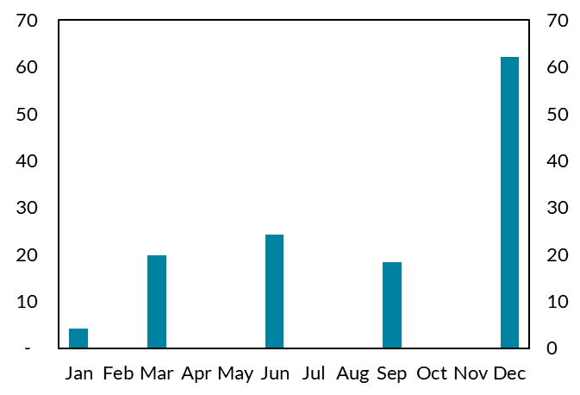
Sixty per cent of assets held in funds that invest in CRE will be redeemable in December

Chart Title: Irish real estate fund dealing dates (per cent of property assets)
Source: Central Bank of Ireland Deep Dive Survey of IREFs and Investment Fund Prospectuses.
Notes: Data as of 2019Q4.

 | Jan | Feb | Mar | Apr | May | Jun | Jul | Aug | Sep | Oct | Nov | Dec
Dealing Month % Property Assets | 4 | 0 | 20 | 0 | 0 | 24 | 0 | 0 | 18 | 0 | 0 | 62

 |  |  |  |  |  | per cent |  |  |  |  |  | per cent

